2.5a
a)
 |  | Product A | Product B
 | Unit Profit | $3,000 | $2,000
 |  |  |  | Resource |  | Resource
 |  | Resource Usage per Unit Produced |  | Used |  | Available
 | Resource Q | 2 | 1 | 2 | <= | 2
 | Resource R | 1 | 2 | 2 | <= | 2
 | Resource S | 3 | 3 | 4 | <= | 4

 |  | Product A | Product B |  |  | Total Profit
 | Units Produced | 0.667 | 0.667 |  |  | $3,333.33
b)
Let A = units of product A produced B = units of product B produced
Maximize P = $3,000A + $2,000B,
subject to 2A + B ≤ 2 A + 2B ≤ 2 3A + 3B ≤ 4 A ≥ 0, B ≥ 0.

2.10
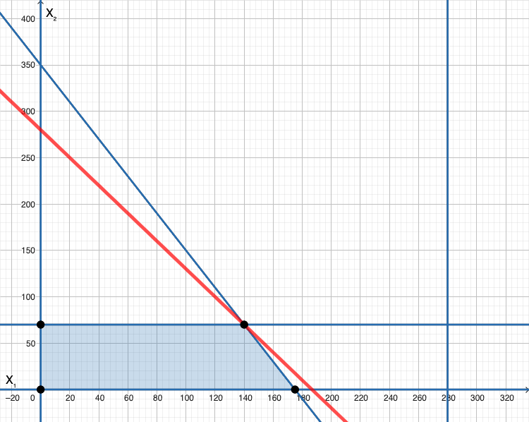
a) |  |  |  |  |  |  | c)
 |  | 65" Sets | 55" Sets
 | Unit Profit | $270 | $180
 |  |  |  | Hours |  | Hours
 |  | Work Hours Per Unit Produced |  | Used |  | Available
 | Work Hours | 20 | 10 | 3500 | <= | 3500

 |  |  |  |  |  | Total Profit
 | Units Produced | 140 | 70 |  |  | $50,400
 |  | <= | <=
 |  | 280 | 70
b)
Let x₁ = number of 65” TV sets to be produced per month Let x₂ = number of 55” TV sets to be produced per month
Maximize P = $270x₁ + $180x₂,
subject to 20x₁ + 10x₂ ≤ 3500 x₁ ≤ 280 x₂ ≤ 70 and x₁ ≥ 0, x₂ ≥ 0.

 |  |  |  |  |  |  |  | https://www.pmcalculators.com/graphical-method-calculator/

2.12
a) The decisions to be made are what quotas to establish for the two product lines. The constraints are the amounts of work hours available in underwriting, administration, and claims. In addition, negative levels are not possible. The overall measure of performance for the decisions is the profit to be made.
b) Max Profit = $5 (# special risk) + $2 (# mortgage)
Subject to:
underwriting: 3 (# special risk) + 2 (# mortgage) ≤ 2400 administration: 1 (# mortgage) ≤ 800 claims: 2 (# special risk) ≤ 1200 Nonnegativity: (# special risk) ≥ 0
(# mortgage) ≥ 0

 | Special Risk | Mortgage
Unit Profit | $5 | $2
 |  |  | Work-Hours |  | Work-Hours
 | Work-Hours per Unit |  | Used |  | Available
Underwriting | 3 | 2 | 2,400 | <= | 2,400
Administration | 0 | 1 | 300 | <= | 800
Claims | 2 | 0 | 1,200 | <= | 1,200

 | Special Risk | Mortgage |  |  | Total Profit
Sales Quota | 600 | 300 |  |  | $3,600

2.22c
a) The decisions to be made are how many servings of steak and potatoes are needed. The constraints are the amounts of carbohydrates, protein, and fat that are needed. In addition, negative levels are not possible. The overall measure of performance for the decisions is the cost.
b) Min Cost = 4 (# steak) + 2 (# potatoes)
Subject to:
carbohydrates: 5 (# steak) + 15 (# potatoes) ≥ 50 protein: 20 (# steak) + 5 (# potatoes) ≥ 40 fat: 15 (# steak) + 2 (# potatoes) ≤ 60 Nonnegativity: (# steak) ≥0
(# potatoes) ≥ 0
d) Let S = servings of steak in diet P = servings of potatoes in the diet
Minimize C = $4S + $2P, subject to
5S + 15P ≥ 50 20S + 5P ≥ 40 15S + 2P ≤ 60 and S ≥ 0, P ≥ 0

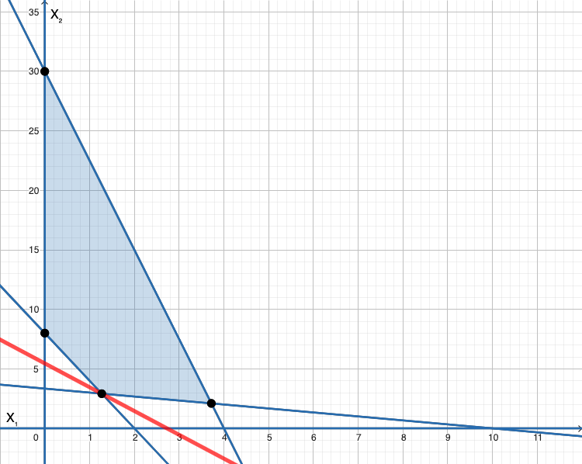

c)
 | Steak | Potatoes
Unit Cost | $4 | $2
 |  |  | Total Nutrition |  | Daily Requirement
 | Nutritional Info (grams/serving) |  | (grams) |  | (grams)
Carbohydrates | 5 | 15 | 50 | >= | 50
Protein | 20 | 5 | 40 | >= | 40
Fat | 15 | 2 | 24.91 | <= | 60

 | Steak | Potatoes |  |  | Total Cost
Servings | 1.27 | 2.91 |  |  | $10.91

 |  |  |  |  |  | https://www.pmcalculators.com/graphical-method-calculator/

2.26a
a)
 |  | Bread | Peanut Butter | Jelly |  | Milk | Juice
 |  | (slice) | (tbsp) | (tbsp) | Apples | (cup) | (cup)
 | Unit Cost | $0.06 | $0.05 | $0.08 | $0.35 | $0.20 | $0.40

 |  |  |  | Nutritional Data |  |  |  | Total in Diet
 | Calories from Fat | 15 | 80 | 0 | 0 | 60 | 0 | 110.00 |  | Needed |  | Maximum
 | Calories | 80 | 100 | 70 | 90 | 120 | 110 | 440.00 | >= | 300 | <= | 500
 | Vitamin C (mg) | 0 | 0 | 4 | 6 | 2 | 80 | 84 | >= | 60
 | Fiber (g) | 4 | 0 | 3 | 10 | 0 | 1 | 12.00 | >= | 10

 |  | Bread | Peanut Butter | Jelly |  | Milk | Juice
 |  | (slice) | (tbsp) | (tbsp) | Apples | (cup) | (cup) |  |  | Total Cost
 | Diet (ounces) | 2 | 1 | 1 | 0 | 0.000 | 1.000 |  |  | $0.65
 |  | >= | >= | >=
 | Minimums | 2 | 1 | 1

 | Fat Calories | 110 | <= | 132.00 | 30% | of Total Calories

 | Milk and Juice | 1 | >= | 1

b) Let B = slices of bread, P = Tbsp. of peanut butter, J = Tbsp. of jelly, A = number of apples, M = cups of milk, C = cups of cranberry juice.
Minimize Cost = $0.06B + $0.05P + $0.08J + $0.35A + $0.20M + $0.40C
subject to
80B + 100P + 70J + 90A + 120M +110C ≥ 300 80B + 100P + 70J + 90A + 120M +110C ≤ 500 15B + 80P + 60M ≤ 0.3(80B + 100P + 70J + 90A + 120M +110C)
15B + 80P + 60M - 0.3(80B + 100P + 70J + 90A + 120M +110C) < 0 #if modeling in R
4J + 6A + 2M + 80C ≥ 60 4B + 3J + 10A + C ≥ 10 B ≥ 2 P ≥ 1 J ≥ 1 M + C ≥ 1 and B≥ 0, P ≥ 0, J ≥ 0, A ≥ 0, M ≥ 0, C ≥ 0.

